Sheet2
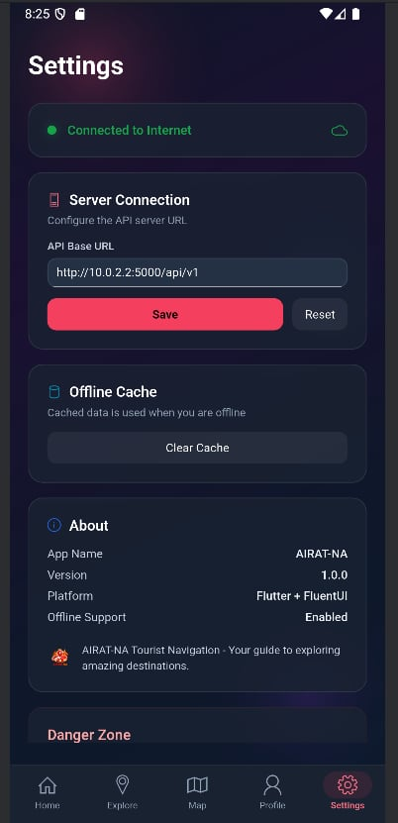
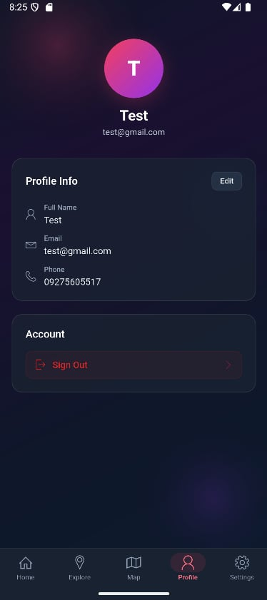
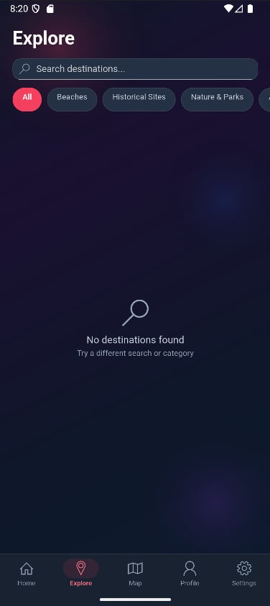
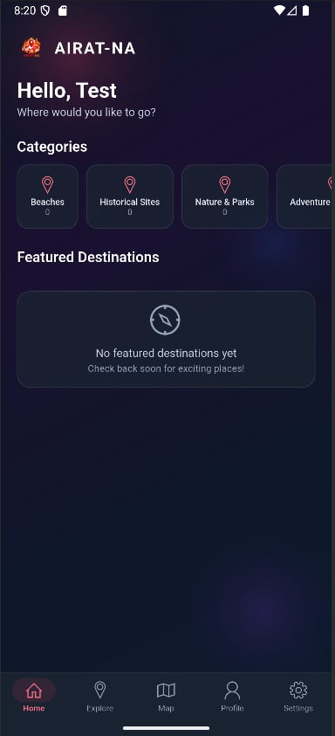
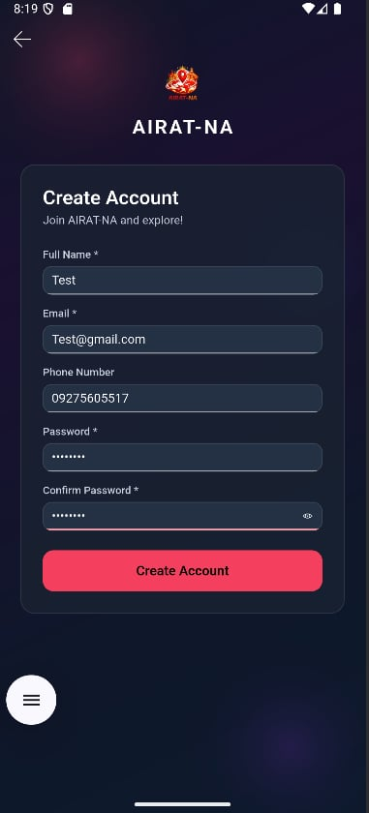
UNIVERSITY OF CEBU - LAPU-LAPU AND MANDAUE
COLLEGE OF ENGINEERING
CPE 421 (Design Project 2)
Group Number:
Name of the Project: | AIRAT-NA: CEBU REGION REVAMP
Adviser: | Engr. Diego V. Abad Jr.

Weekly Accomplishment Reports and Monitoring
Period: Mar. 01-15, 2025

Task |  | Phase | Person In-Charge | Status | Concerns | Proposed Actions
1. Collecting and Consolidating the Necessary Requirements for the Cebu Region Revamp System Design |  | 2 | MONTAJES, CATHERINE FAYE M. | Completed | Requirements covering regional planning flow, destination metadata, transportation handling, and fare-related data needed to be consolidated before detailed development could proceed. | Finalize the requirement baseline for the Cebu Region revamp so the design, interface, and feature development work will follow one approved scope.
2. Designing the System and Developing a User-Friendly Interface for the Cebu Region Revamp |  | 2 | JUMAO-AS, JOSHUA E. | In Process | The current application structure was built around a city-based guide, so the screen flow and interface still need to be redesigned for regional trip planning. | Complete the updated system flow and refine the user interface for area selection, plan setup, and destination browsing to improve usability.
3. Developing the Fundamental Features: Destination Navigation, Transport Mode Selection, and Fare Estimation Logic |  | 2 | NIERE, XYDRIC CLEVE V. | In Process | Core development still requires stable destination navigation, transport-aware trip handling, and accurate fare estimation support across the system modules. | Implement the main development features for navigation, transport mode processing, and fare estimation logic, then validate the feature behavior in the prototype.
4. Constructing and Assembling the Working Prototype for the Cebu Region Revamp System |  | 2 | JUMAO-AS, JOSHUA E. | In Process | The updated interface, admin-side data structure, and core feature modules still need to be assembled into one consistent prototype build. | Integrate the design outputs and developed features into a working prototype that is ready for internal checking before phase 3 evaluation.

Group Members: | JUMAO-AS, JOSHUA E.
 | MONTAJES, CATHERINE FAYE M.
 | NIERE, XYDRIC CLEVE V.

